Courbes moyennes de Trajets
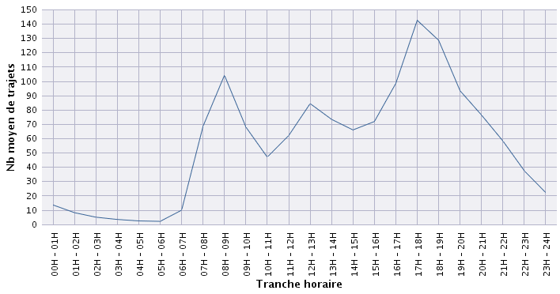

Courbes jours de semaine et wee
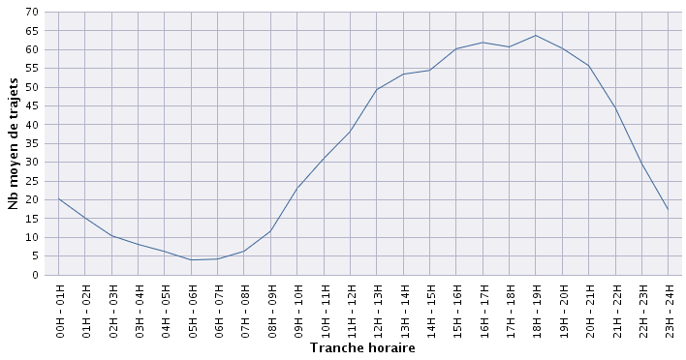
From monday to friday
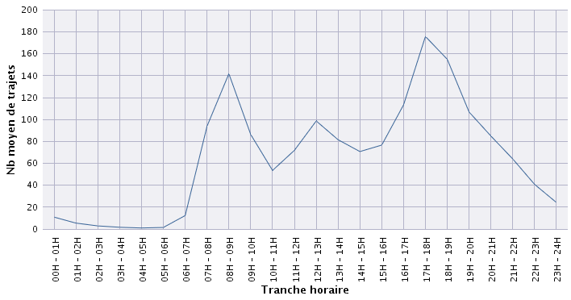

Saterdays and sundays

